Checklist 301
Test Case ID: | 301
Test Case Name: | TC_ New Comments page creation - UI
Status: | New
Test Type: | UI
Author: | Ihor Tistyk
Creation Date: | 09/21/2012
Automation: | Recommended
Priority: | High
Objective: | To verify that UI for 'New Comments' page corresponds to mock up.
Pre-Conditions and Setup: | The ‘New Comments’ page is opened.
# | Steps | Instructions | Version (Build) #
 |  |  | Status | Comments | Execution Date
1 | Verify the UI controls presence |  | PASS |  | 30/4/2017
 | Verify the UI controls alignment |  | INVALID | Instructions needed. | 30/4/2017
 | Verify size and font of labels. |  | PASS |  | 30/4/2017
2 | Verify spelling of labels. |  | PASS |  | 30/4/2017
3 | Verify that 'Comment Text' field is empty by default |  | PASS |  | 30/4/2017
4 | Verify that 'Number’ field is empty by default |  | PASS |  | 30/4/2017
5 | Verify that ‘Active’ checkbox is checked by defaultw |  | PASS |  | 30/4/2017
6 | Verify that status of 'Active' checkbox is changed by click. |  | PASS | We can change status of checkbox by clicking in the box and property title | 30/4/2017
7 | Verify tabulation. |  | FAIL |  | 30/4/2017
8 | Verify that all UI controls are visible on the screen after page resizing. | * resize by corresponding button in the top right corner of the form * resize by dragging the corner of window | PASS | All UI controls are visible on the screen after page resizing, but they are not displayed good (content is incorrect) | 30/4/2017
Test Data: | None
Attachments: | 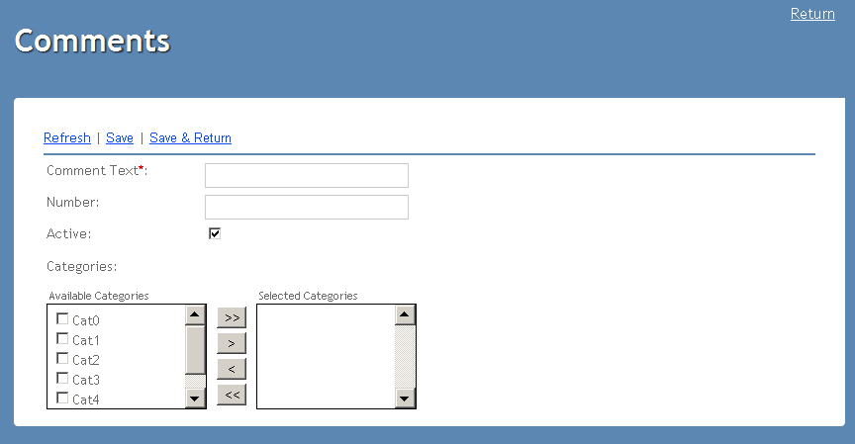

Defects
# | Summary |  | Actual Result | Expected Result | Priority
 | 1.The list box of the table are not the same |  | Are not the same as on screenshot | Shoud be the same as the screenshot | minor
 | 2.Checkbox of the table are not the same |  | Are not the same as on screenshot | Shoud be the same as the screenshot | minor

